A-DAPT Blueprint
A-DAPT Blueprint
 |  | THEME: WebApp | EPIC: Pai Nam Nae is a carpooling web application that connects drivers and passengers heading in the same direction, with a primary focus on safety and convenience. It is developed with a frontend and an backend, powered by the ORM and a database | FEATURE: Review | STORY: As a passenger, I want to give a review for each ride that I took to support the community.
 |  | DESIGNED BY: SEC1_5 | DATE: 13 Feb 2026 | NOTE: Version 1

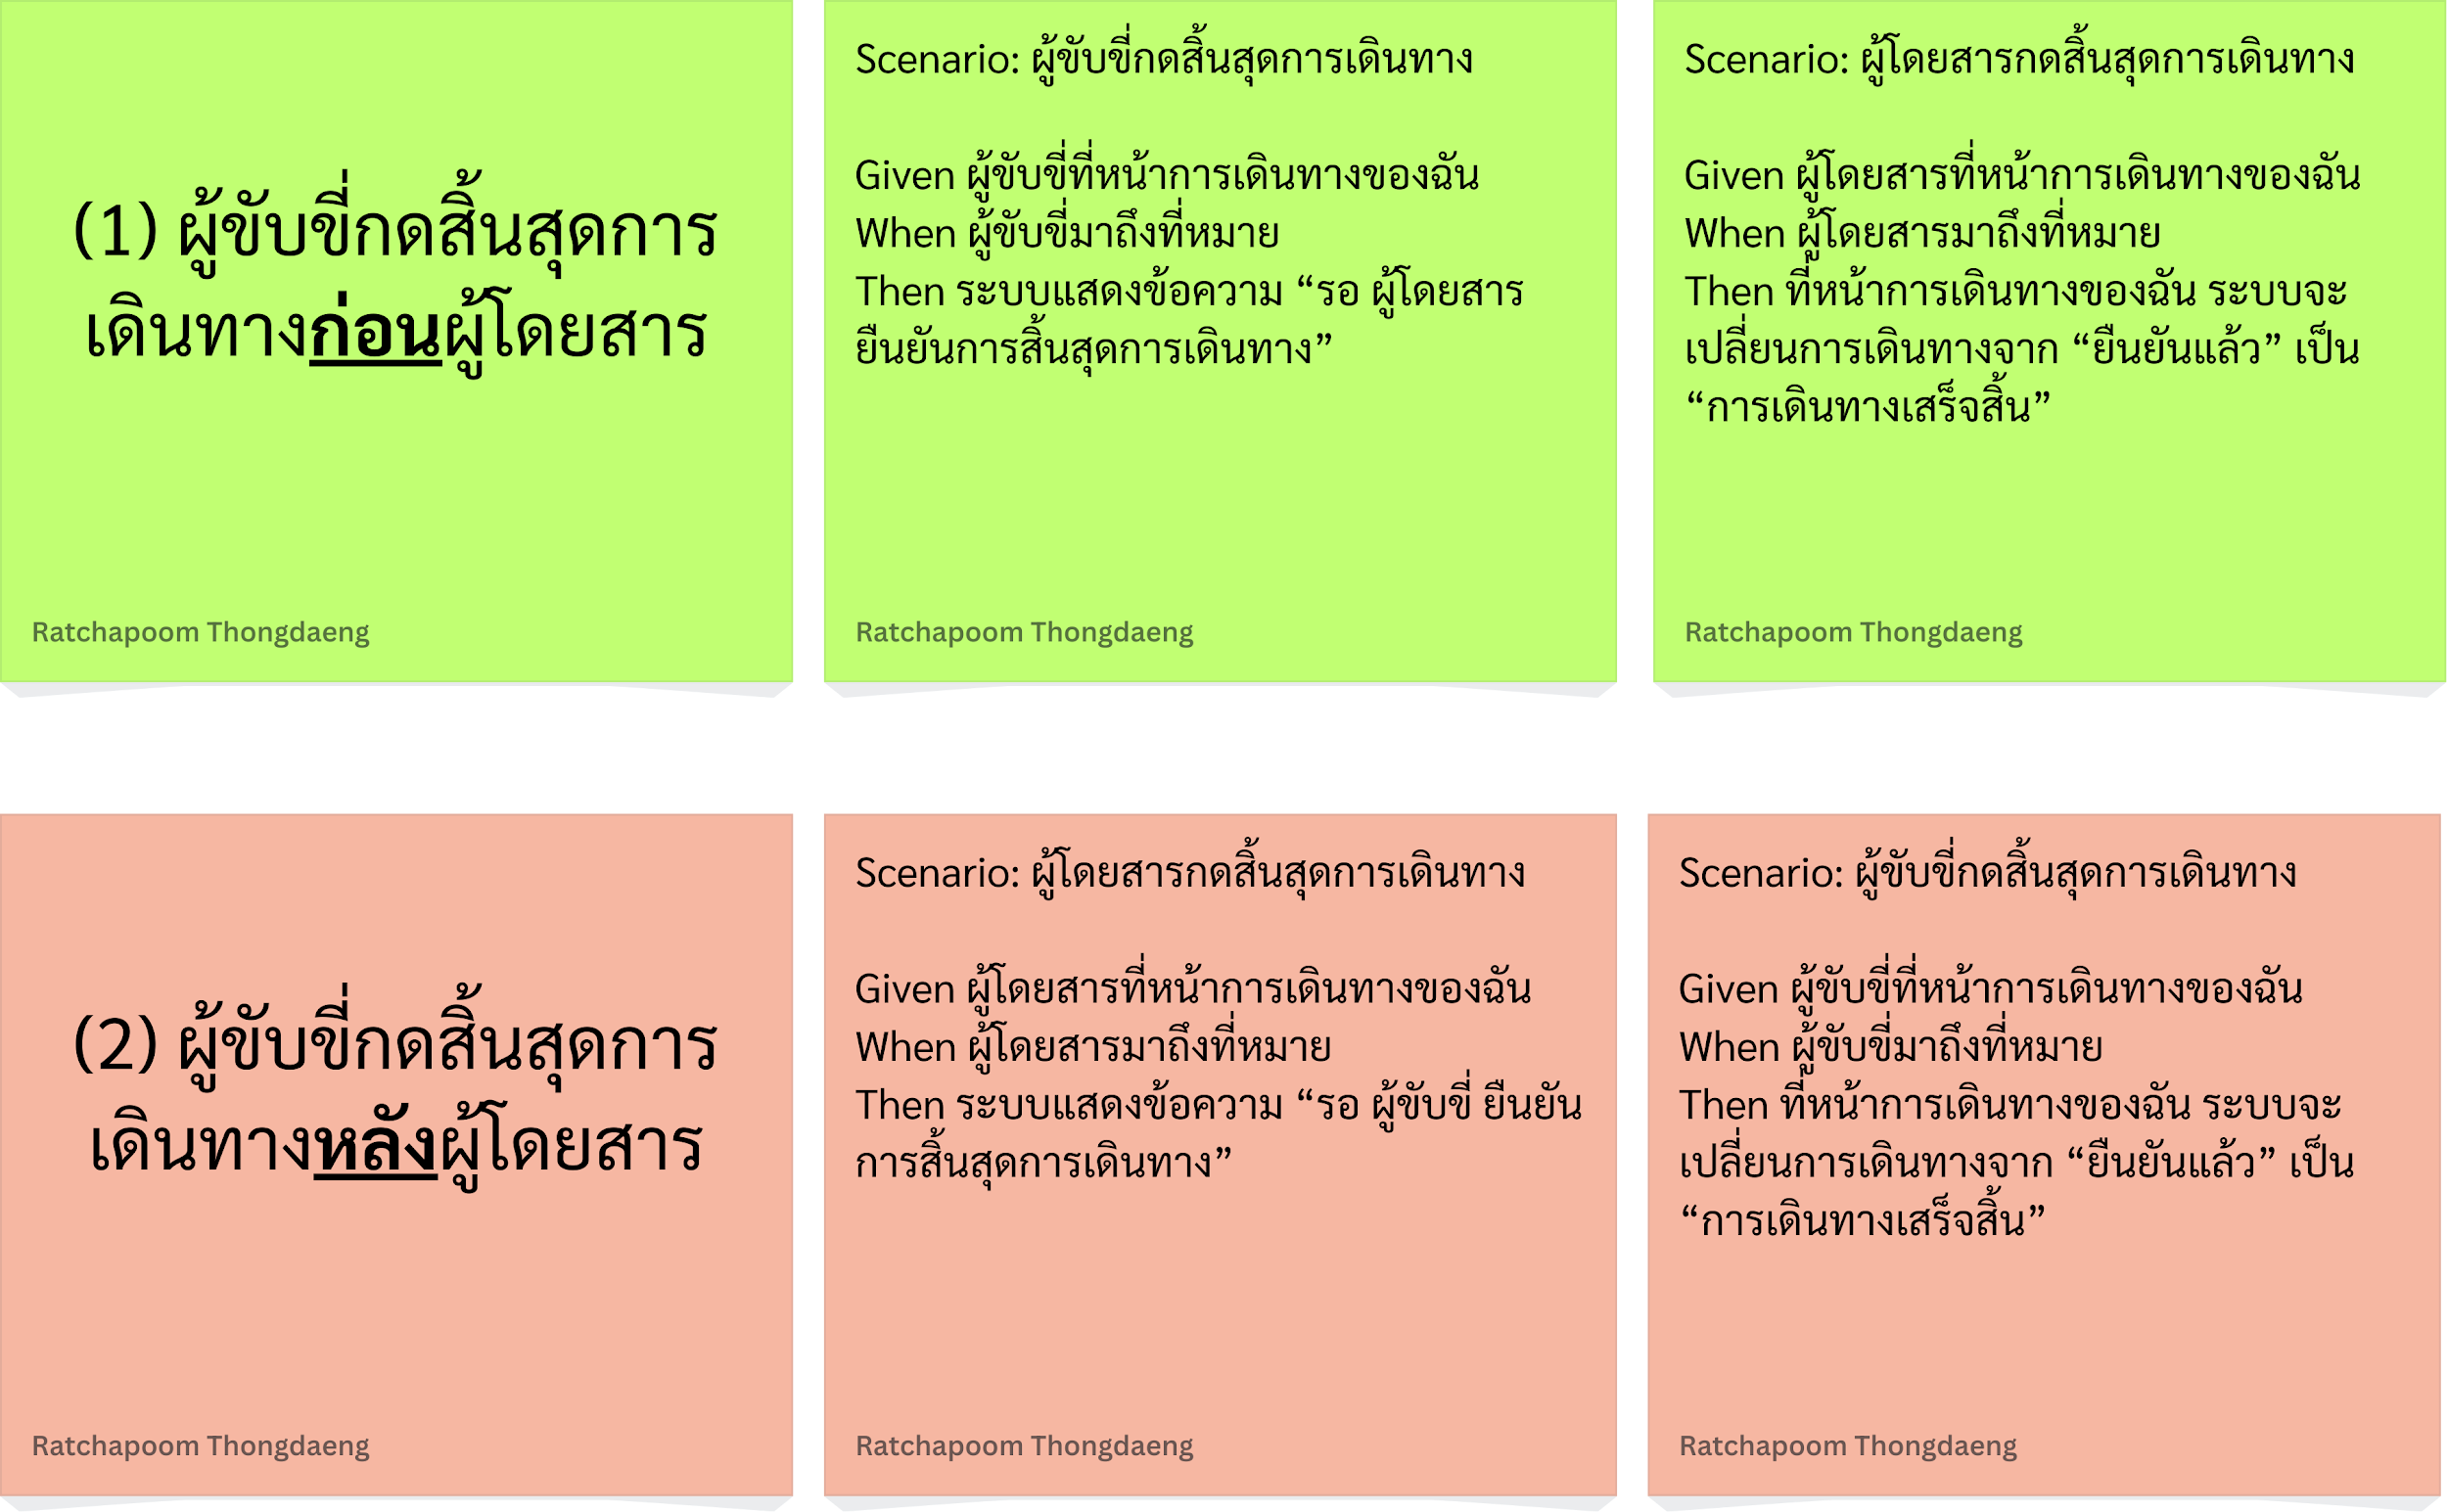
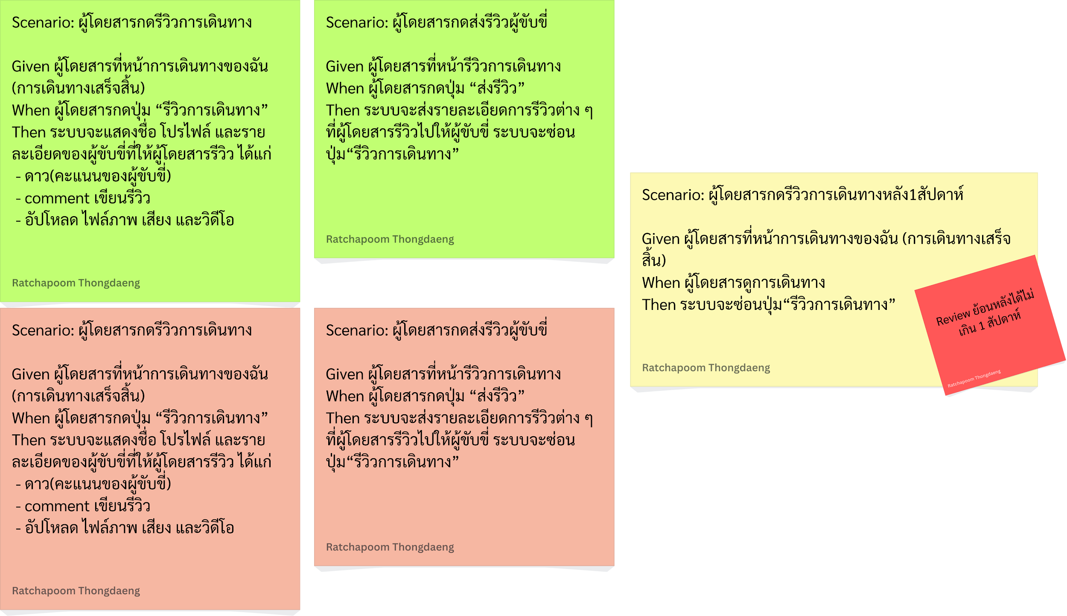
CUSTOMER VISIBLE | ACCEPTANCE TEST

 | USER INTERFACE (UI)

CUSTOMER INVISIBLE | BUSINESS LOGIC

 | DATABASE

 | SUPPORT

 |  | THEME: WebApp | EPIC: Pai Nam Nae is a carpooling web application that connects drivers and passengers heading in the same direction, with a primary focus on safety and convenience. It is developed with a frontend and an backend, powered by the ORM and a database | FEATURE: add additional charges | STORY: As a driver, I want to add additional charges when a passenger want to bring more items with them or have a certain request.
 |  | DESIGNED BY: SEC1_5 | DATE: 28 Feb 2026 | NOTE: Version 1

CUSTOMER VISIBLE | ACCEPTANCE TEST

 | USER INTERFACE (UI)

CUSTOMER INVISIBLE | BUSINESS LOGIC
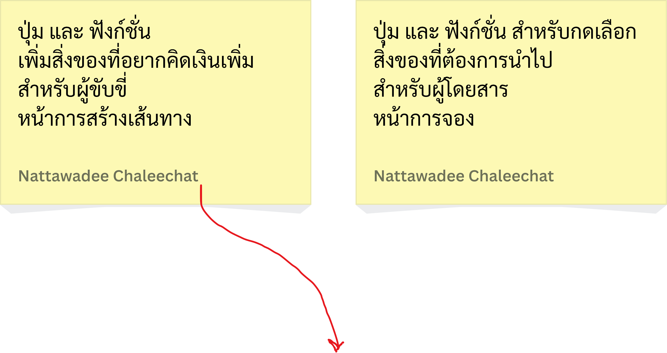
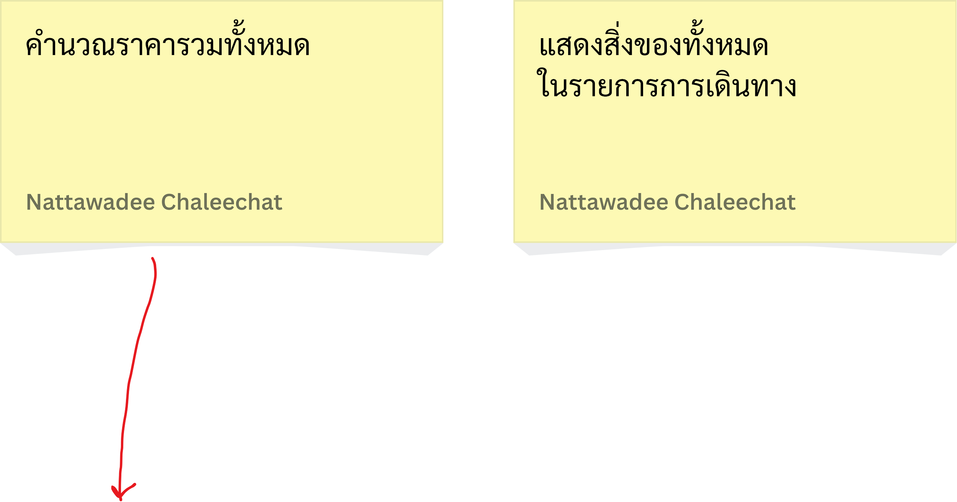

 | DATABASE

 | SUPPORT

 |  | THEME: WebApp | EPIC: Pai Nam Nae is a carpooling web application that connects drivers and passengers heading in the same direction, with a primary focus on safety and convenience. It is developed with a frontend and an backend, powered by the ORM and a database | FEATURE: password matched to the NCSC UK's guidelines | STORY: As a user, I want to keep my password matched to the NCSC UK's guidelines, so that my account is safe.
 |  | DESIGNED BY: SEC1_5 | DATE: 14 Mar 2026 | NOTE: Version 1

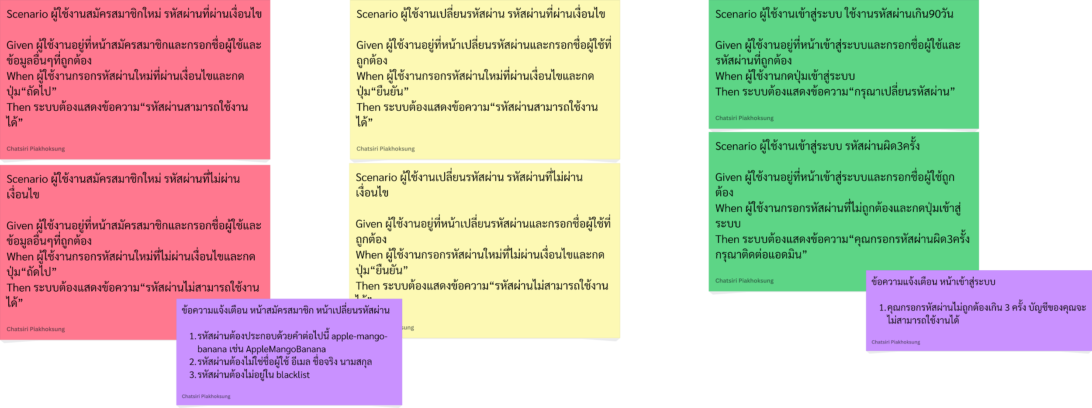
CUSTOMER VISIBLE | ACCEPTANCE TEST

 | USER INTERFACE (UI)

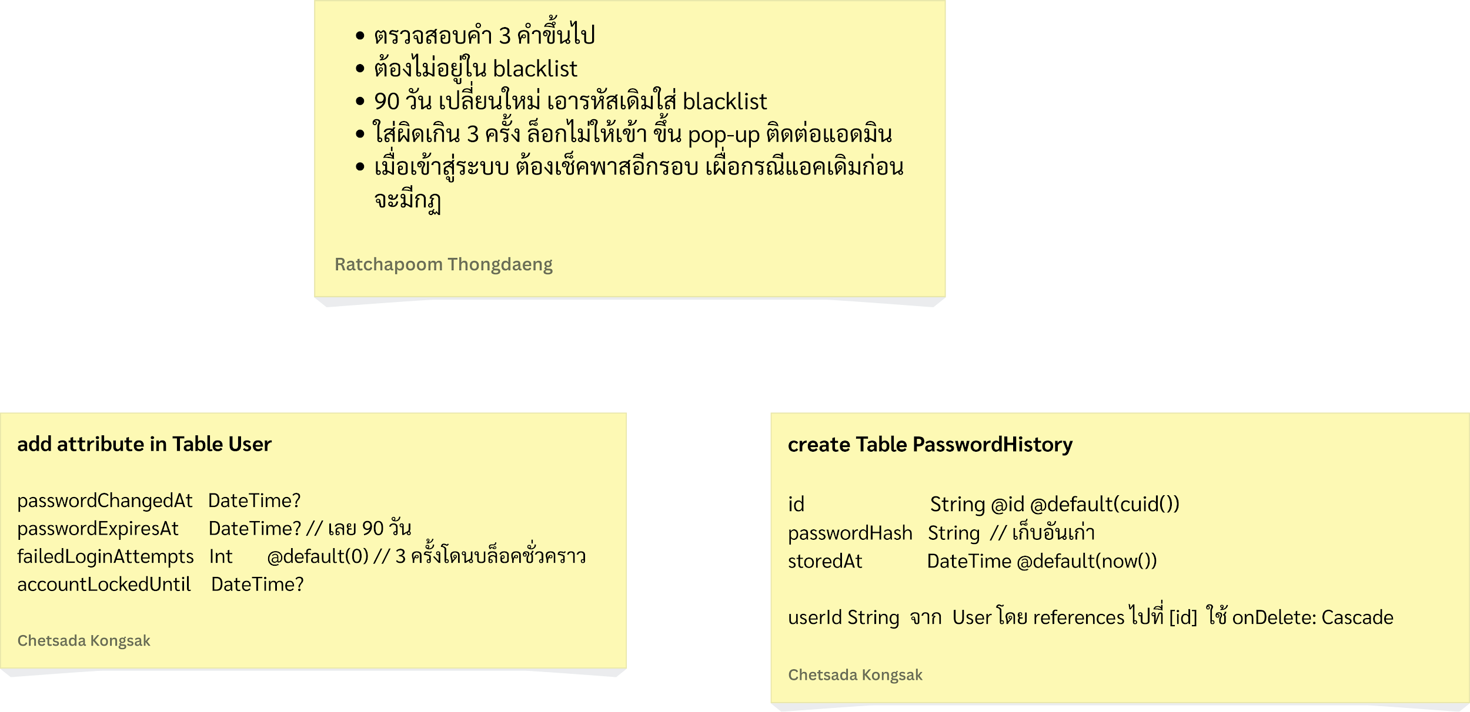
CUSTOMER INVISIBLE | BUSINESS LOGIC

 | DATABASE

 | SUPPORT

